Cost of Equity Re
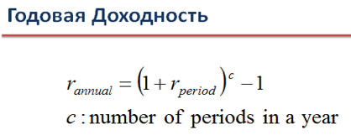
Расчет Доходности Акционерного Капитала по Модели CAPM
Cost of equity (CAPM)

 |  |  |  | Alternative approach to calculate returns - using natural logarithm
 |  |  |  | Ln(P1/P0), P x - Close Price

Date | MOEX Russia Index | Mobil'nye Telesistemy PAO | R_MOEX | R_MTS | Beta | Risk Free Rate | R_MOEX Aver Daily | R_MTS Aver Daily | Number of trading sessions in a year | R_MOEX_annual | R_MTS_annual | R_MOEX_annual based on 5 Y data | Re | Способ 1.
13-Mar-2020 | 2,316.38 | 269.00 | 1.30% | -1.46% | 0.72452648 | 0.0781 | -0.0003 | 0.0001 | 253 |  |  | 0.1348 | 12%
12-Mar-2020 | 2,286.40 | 272.95 | -8.65% | -7.19% | 0.7274130435
R_MTS относительно параметра "R_MOEX"
11-Mar-2020 | 2,492.88 | 293.30 | -0.24% | -0.51%
10-Mar-2020 | 2,498.94 | 294.80 | -8.46% | -7.83%
06-Mar-2020 | 2,719.51 | 318.80 | -3.51% | -3.32%
05-Mar-2020 | 2,816.70 | 329.55 | -0.40% | 0.24%
04-Mar-2020 | 2,828.01 | 328.75 | 0.24% | 0.15%
03-Mar-2020 | 2,821.37 | 328.25 | 1.99% | 0.32%
02-Mar-2020 | 2,765.77 | 327.20 | -0.70% | 2.07%
28-Feb-2020 | 2,785.08 | 320.50 | -4.59% | -2.62%
27-Feb-2020 | 2,915.84 | 329.00 | -3.42% | -2.99%
26-Feb-2020 | 3,017.42 | 339.00 | 0.49% | 0.44% |  |  |  |  |  |  |  |  |  | Способ 2.
25-Feb-2020 | 3,002.68 | 337.50 | -3.38% | -3.06%
21-Feb-2020 | 3,106.03 | 348.00 | -0.61% | 0.14%
20-Feb-2020 | 3,125.10 | 347.50 | 0.34% | -0.17%
19-Feb-2020 | 3,114.57 | 348.10 | 1.31% | 1.94%
18-Feb-2020 | 3,074.05 | 341.40 | -1.16% | 0.12%
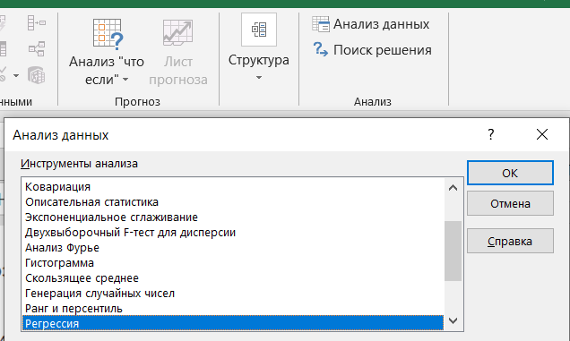
17-Feb-2020 | 3,110.06 | 341.00 | 0.42% | 0.13%
14-Feb-2020 | 3,096.88 | 340.55 | -0.42% | 0.81%
13-Feb-2020 | 3,110.05 | 337.80 | -0.39% | -0.35%
12-Feb-2020 | 3,122.27 | 339.00 | 0.79% | 1.88%
11-Feb-2020 | 3,097.58 | 332.70 | 1.14% | 0.60%
10-Feb-2020 | 3,062.41 | 330.70 | -0.82% | -0.09%
07-Feb-2020 | 3,087.63 | 331.00 | -0.29% | 0.00%
06-Feb-2020 | 3,096.68 | 331.00 | -0.57% | -0.12%
05-Feb-2020 | 3,114.25 | 331.40 | 0.54% | -0.47%
04-Feb-2020 | 3,097.60 | 332.95 | 0.87% | 0.30%
03-Feb-2020 | 3,070.84 | 331.95 | -0.19% | 1.69%
31-Jan-2020 | 3,076.65 | 326.40 | -1.03% | -1.25%
30-Jan-2020 | 3,108.58 | 330.50 | -0.65% | 0.61%
29-Jan-2020 | 3,128.80 | 328.50 | 0.50% | 0.38%
28-Jan-2020 | 3,113.10 | 327.25 | 0.90% | 0.15%
27-Jan-2020 | 3,085.16 | 326.75 | -1.96% | -2.93%
24-Jan-2020 | 3,146.20 | 336.45 | 0.16% | 1.95%
23-Jan-2020 | 3,141.20 | 329.95 | -1.06% | -1.16%
22-Jan-2020 | 3,174.62 | 333.80 | -1.08% | 1.54%
21-Jan-2020 | 3,209.22 | 328.70 | -0.33% | 0.46%
20-Jan-2020 | 3,219.92 | 327.20 | 0.72% | 1.87%
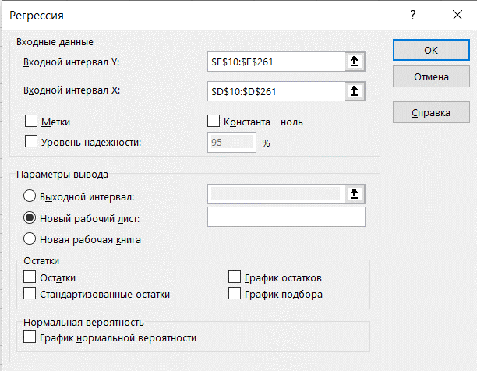
17-Jan-2020 | 3,196.88 | 321.15 | 1.25% | 0.42%
16-Jan-2020 | 3,157.23 | 319.80 | 0.78% | 0.36%
15-Jan-2020 | 3,132.63 | 318.65 | 0.09% | 0.42%
14-Jan-2020 | 3,129.77 | 317.30 | -0.70% | -0.68%
13-Jan-2020 | 3,151.69 | 319.45 | 0.89% | 0.02%
10-Jan-2020 | 3,123.66 | 319.40 | 0.18% | -1.52%
09-Jan-2020 | 3,118.08 | 324.30 | 0.26% | -1.18%
08-Jan-2020 | 3,110.06 | 328.15 | 1.01% | 1.44%
06-Jan-2020 | 3,078.87 | 323.45 | 0.08% | 0.42%
03-Jan-2020 | 3,076.37 | 322.10 | 1.00% | 0.67%
30-Dec-2019 | 3,045.87 | 319.95 | -0.15% | -0.02%
27-Dec-2019 | 3,050.47 | 320.00 | 0.62% | 0.09%
26-Dec-2019 | 3,031.67 | 319.70 | 0.03% | 0.52%
25-Dec-2019 | 3,030.84 | 318.05 | 0.01% | 1.28%
24-Dec-2019 | 3,030.59 | 314.00 | -0.11% | -0.02%
23-Dec-2019 | 3,033.81 | 314.05 | 0.59% | 0.11%
20-Dec-2019 | 3,015.93 | 313.70 | 0.25% | 0.45%
19-Dec-2019 | 3,008.39 | 312.30 | -0.51% | -0.50%
18-Dec-2019 | 3,023.92 | 313.85 | 0.35% | 0.85%
17-Dec-2019 | 3,013.29 | 311.20 | 0.24% | 1.41%
16-Dec-2019 | 3,006.16 | 306.85 | 0.32% | 0.80%
13-Dec-2019 | 2,996.63 | 304.40 | 0.46% | -0.23%
12-Dec-2019 | 2,982.86 | 305.10 | 0.96% | -0.03%
11-Dec-2019 | 2,954.40 | 305.20 | 0.75% | 0.92%
10-Dec-2019 | 2,932.40 | 302.40 | -0.43% | -0.03%
09-Dec-2019 | 2,945.03 | 302.50 | 0.55% | 0.56%
06-Dec-2019 | 2,928.76 | 300.80 | 1.01% | -1.09%
05-Dec-2019 | 2,899.29 | 304.10 | -0.05% | 0.16% |  |  |  |  |  |  |  |  |  | Способ 3. | Построить график и вывести уравнение функции
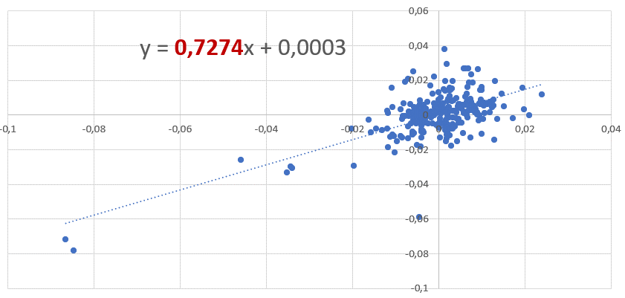
04-Dec-2019 | 2,900.66 | 303.60 | 0.59% | 0.16%
03-Dec-2019 | 2,883.48 | 303.10 | -1.30% | -0.90%
02-Dec-2019 | 2,921.18 | 305.85 | -0.48% | 0.44%
29-Nov-2019 | 2,935.37 | 304.50 | 0.27% | -0.72%
28-Nov-2019 | 2,927.57 | 306.70 | -0.05% | 0.11%
27-Nov-2019 | 2,929.05 | 306.35 | -0.05% | 0.61%
26-Nov-2019 | 2,930.62 | 304.50 | -0.84% | -1.31%
25-Nov-2019 | 2,955.32 | 308.50 | 0.26% | 1.09%
22-Nov-2019 | 2,947.68 | 305.15 | 0.17% | -0.28%
21-Nov-2019 | 2,942.60 | 306.00 | 0.21% | -0.03%
20-Nov-2019 | 2,936.47 | 306.10 | -0.18% | 0.20%
19-Nov-2019 | 2,941.69 | 305.50 | 0.59% | 2.67%
18-Nov-2019 | 2,924.48 | 297.45 | -0.35% | -0.92%
15-Nov-2019 | 2,934.82 | 300.20 | 0.42% | 0.97%
14-Nov-2019 | 2,922.45 | 297.30 | -0.39% | -0.44%
13-Nov-2019 | 2,933.89 | 298.60 | -0.59% | -0.30%
12-Nov-2019 | 2,951.16 | 299.50 | -0.35% | 0.57%
11-Nov-2019 | 2,961.46 | 297.80 | -0.40% | -0.84%
08-Nov-2019 | 2,973.19 | 300.30 | -1.18% | 0.23%
07-Nov-2019 | 3,008.54 | 299.60 | 0.92% | 2.64%
06-Nov-2019 | 2,980.84 | 291.80 | 1.06% | 0.71%
05-Nov-2019 | 2,949.55 | 289.75 | 0.65% | 1.20%
01-Nov-2019 | 2,930.40 | 286.30 | 1.25% | 0.46%
31-Oct-2019 | 2,893.98 | 285.00 | -0.59% | -0.96%
30-Oct-2019 | 2,911.15 | 287.75 | 0.85% | 0.16%
29-Oct-2019 | 2,886.48 | 287.30 | 1.03% | 0.56%
28-Oct-2019 | 2,856.91 | 285.70 | -0.58% | 2.50%
25-Oct-2019 | 2,873.41 | 278.65 | -0.13% | 1.23%
24-Oct-2019 | 2,877.05 | 275.25 | 1.95% | 1.57%
23-Oct-2019 | 2,821.58 | 270.95 | 0.69% | 0.24%
22-Oct-2019 | 2,802.23 | 270.30 | 1.48% | 1.23%
21-Oct-2019 | 2,761.15 | 267.00 | 0.30% | -0.78%
18-Oct-2019 | 2,752.91 | 269.10 | 0.16% | 1.40%
17-Oct-2019 | 2,748.64 | 265.35 | 0.16% | -0.90%
16-Oct-2019 | 2,744.35 | 267.75 | 1.07% | 0.09%
15-Oct-2019 | 2,715.26 | 267.50 | 0.66% | 0.75%
14-Oct-2019 | 2,697.46 | 265.50 | -0.39% | -0.94%
11-Oct-2019 | 2,708.07 | 268.00 | -0.50% | -1.76%
10-Oct-2019 | 2,721.51 | 272.75 | 0.31% | 1.51%
09-Oct-2019 | 2,713.02 | 268.65 | 0.19% | 2.93%
08-Oct-2019 | 2,707.89 | 260.90 | -0.42% | -1.82%
07-Oct-2019 | 2,719.22 | 265.70 | 0.99% | 0.87%
04-Oct-2019 | 2,692.55 | 263.40 | -0.55% | 0.29%
03-Oct-2019 | 2,707.47 | 262.65 | -0.44% | 0.11%
02-Oct-2019 | 2,719.39 | 262.35 | -1.44% | -0.80%
01-Oct-2019 | 2,758.83 | 264.45 | 0.42% | -0.21%
30-Sep-2019 | 2,747.18 | 265.00 | -0.39% | -0.64%
27-Sep-2019 | 2,757.98 | 266.70 | -0.53% | 0.26%
26-Sep-2019 | 2,772.70 | 266.00 | 0.45% | 0.49%
25-Sep-2019 | 2,760.29 | 264.70 | 0.21% | -0.55%
24-Sep-2019 | 2,754.53 | 266.15 | -1.12% | -1.25%
23-Sep-2019 | 2,785.46 | 269.50 | -0.39% | -1.31%
20-Sep-2019 | 2,796.41 | 273.05 | 0.06% | 1.01%
19-Sep-2019 | 2,794.77 | 270.30 | -0.85% | -0.26%
18-Sep-2019 | 2,818.60 | 271.00 | -0.08% | 0.43%
17-Sep-2019 | 2,820.86 | 269.85 | -0.48% | 0.20%
16-Sep-2019 | 2,834.32 | 269.30 | 1.51% | 0.50%
13-Sep-2019 | 2,791.74 | 267.95 | -0.30% | 0.21%
12-Sep-2019 | 2,799.99 | 267.40 | -0.61% | -1.12%
11-Sep-2019 | 2,817.05 | 270.40 | 1.05% | 0.52%
10-Sep-2019 | 2,787.52 | 269.00 | 0.03% | -1.31%
09-Sep-2019 | 2,786.63 | 272.55 | -0.39% | 0.09%
06-Sep-2019 | 2,797.55 | 272.30 | -0.34% | -1.02%
05-Sep-2019 | 2,807.06 | 275.10 | 0.49% | 0.62%
04-Sep-2019 | 2,793.36 | 273.40 | 0.69% | 2.67%
03-Sep-2019 | 2,774.20 | 266.20 | 0.04% | -0.19%
02-Sep-2019 | 2,773.01 | 266.70 | 1.20% | 0.13%
30-Aug-2019 | 2,740.04 | 266.35 | 0.95% | 0.66%
29-Aug-2019 | 2,714.25 | 264.60 | 1.37% | -0.26%
28-Aug-2019 | 2,677.31 | 265.30 | 0.67% | 1.61%
27-Aug-2019 | 2,659.35 | 261.05 | 0.04% | -0.36%
26-Aug-2019 | 2,658.24 | 262.00 | -0.09% | 2.18%
23-Aug-2019 | 2,660.74 | 256.35 | -0.54% | -0.19%
22-Aug-2019 | 2,675.13 | 256.85 | 0.04% | 0.23%
21-Aug-2019 | 2,673.95 | 256.25 | 0.04% | 0.39%
20-Aug-2019 | 2,672.84 | 255.25 | 0.93% | -0.31%
19-Aug-2019 | 2,648.09 | 256.05 | 1.25% | 0.80%
16-Aug-2019 | 2,615.20 | 254.00 | -0.40% | -0.98%
15-Aug-2019 | 2,625.58 | 256.50 | -0.44% | -0.39%
14-Aug-2019 | 2,637.04 | 257.50 | -1.62% | -0.29%
13-Aug-2019 | 2,680.12 | 258.25 | -0.37% | -0.41%
12-Aug-2019 | 2,689.93 | 259.30 | 0.38% | 0.21%
09-Aug-2019 | 2,679.71 | 258.75 | -0.63% | -0.48%
08-Aug-2019 | 2,696.69 | 260.00 | 0.81% | 0.25%
07-Aug-2019 | 2,674.98 | 259.35 | -0.31% | -0.25%
06-Aug-2019 | 2,683.35 | 260.00 | 1.28% | 0.85%
05-Aug-2019 | 2,649.16 | 257.80 | -0.97% | -1.52%
02-Aug-2019 | 2,674.90 | 261.75 | -2.02% | -0.80%
01-Aug-2019 | 2,729.42 | 263.85 | -0.37% | -0.43%
31-Jul-2019 | 2,739.50 | 265.00 | 0.18% | -0.83%
30-Jul-2019 | 2,734.68 | 267.20 | 0.23% | 0.90%
29-Jul-2019 | 2,728.27 | 264.80 | 0.46% | -0.45%
26-Jul-2019 | 2,715.68 | 266.00 | 0.54% | 0.34%
25-Jul-2019 | 2,701.02 | 265.10 | 0.67% | -0.15%
24-Jul-2019 | 2,682.91 | 265.50 | -0.67% | 0.02%
23-Jul-2019 | 2,701.06 | 265.45 | 0.62% | 1.04%
22-Jul-2019 | 2,684.25 | 262.70 | -0.61% | 0.11%
19-Jul-2019 | 2,700.57 | 262.40 | -0.07% | 0.23%
18-Jul-2019 | 2,702.59 | 261.80 | -0.39% | -0.87%
17-Jul-2019 | 2,713.17 | 264.10 | -1.56% | -1.02%
16-Jul-2019 | 2,755.88 | 266.80 | -0.02% | -0.56%
15-Jul-2019 | 2,756.44 | 268.30 | -0.76% | -0.09%
12-Jul-2019 | 2,777.58 | 268.55 | -0.43% | 0.62%
11-Jul-2019 | 2,789.66 | 266.90 | -1.18% | -0.78%
10-Jul-2019 | 2,822.75 | 269.00 | 0.00% | -0.72%
09-Jul-2019 | 2,822.66 | 270.95 | 0.00% | 0.87%
08-Jul-2019 | 2,822.55 | 268.60 | -0.45% | -5.91%
05-Jul-2019 | 2,835.35 | 284.95 | -0.26% | 0.74%
04-Jul-2019 | 2,842.78 | 282.85 | 0.66% | -0.04%
03-Jul-2019 | 2,823.95 | 282.95 | 0.50% | 0.55%
02-Jul-2019 | 2,809.81 | 281.40 | 0.30% | -1.78%
01-Jul-2019 | 2,801.47 | 286.45 | 1.28% | 0.54%
28-Jun-2019 | 2,765.85 | 284.90 | -0.50% | -0.02%
27-Jun-2019 | 2,779.66 | 284.95 | 0.16% | -0.73%
26-Jun-2019 | 2,775.14 | 287.05 | 0.77% | 2.34%
25-Jun-2019 | 2,753.96 | 280.40 | -0.32% | 0.29%
24-Jun-2019 | 2,762.65 | 279.60 | 0.05% | 0.63%
21-Jun-2019 | 2,761.23 | 277.85 | -0.68% | -0.05%
20-Jun-2019 | 2,780.20 | 278.00 | 0.76% | 0.72%
19-Jun-2019 | 2,759.12 | 276.00 | -0.09% | 0.65%
18-Jun-2019 | 2,761.69 | 274.20 | 1.00% | 1.60%
17-Jun-2019 | 2,734.31 | 269.85 | -0.18% | -0.09%
14-Jun-2019 | 2,739.28 | 270.10 | -0.69% | 0.20%
13-Jun-2019 | 2,758.36 | 269.55 | 0.24% | -0.15%
11-Jun-2019 | 2,751.75 | 269.95 | 0.33% | 1.95%
10-Jun-2019 | 2,742.59 | 264.75 | 0.47% | 0.61%
07-Jun-2019 | 2,729.61 | 263.15 | 0.05% | 0.08%
06-Jun-2019 | 2,728.25 | 262.95 | 0.97% | 1.44%
05-Jun-2019 | 2,701.84 | 259.20 | -0.16% | -0.17%
04-Jun-2019 | 2,706.29 | 259.65 | -0.87% | 0.33%
03-Jun-2019 | 2,729.93 | 258.80 | 2.39% | 1.17%
31-May-2019 | 2,665.33 | 255.80 | 0.22% | -0.95%
30-May-2019 | 2,659.52 | 258.25 | 0.69% | 0.52%
29-May-2019 | 2,641.15 | 256.90 | 1.19% | 0.72%
28-May-2019 | 2,609.78 | 255.05 | -0.88% | -1.23%
27-May-2019 | 2,632.95 | 258.20 | 0.52% | 0.58%
24-May-2019 | 2,619.24 | 256.70 | 0.02% | -0.76%
23-May-2019 | 2,618.61 | 258.65 | -0.76% | 1.89%
22-May-2019 | 2,638.71 | 253.80 | 0.84% | 0.45%
21-May-2019 | 2,616.53 | 252.65 | 1.73% | -0.20%
20-May-2019 | 2,571.65 | 253.15 | -0.23% | -0.04%
17-May-2019 | 2,577.48 | 253.25 | -0.14% | -0.49%
16-May-2019 | 2,581.11 | 254.50 | 1.04% | -0.24%
15-May-2019 | 2,554.49 | 255.10 | -0.31% | -0.14%
14-May-2019 | 2,562.33 | 255.45 | 2.11% | -0.04%
13-May-2019 | 2,508.87 | 255.55 | -0.24% | 0.06%
10-May-2019 | 2,514.87 | 255.40 | -1.17% | -1.88%
08-May-2019 | 2,544.43 | 260.25 | -0.81% | 0.64%
07-May-2019 | 2,565.10 | 258.60 | -0.57% | -1.06%
06-May-2019 | 2,579.75 | 261.35 | -0.05% | -0.59%
03-May-2019 | 2,580.95 | 262.90 | 0.22% | 0.44%
02-May-2019 | 2,575.22 | 261.75 | 0.62% | 2.65%
30-Apr-2019 | 2,559.32 | 254.90 | -0.41% | -0.16%
29-Apr-2019 | 2,569.83 | 255.30 | 0.24% | -0.66%
26-Apr-2019 | 2,563.72 | 257.00 | 0.11% | 0.64%
25-Apr-2019 | 2,560.94 | 255.35 | -0.70% | -1.34%
24-Apr-2019 | 2,579.05 | 258.80 | -0.33% | -0.46%
23-Apr-2019 | 2,587.48 | 260.00 | 0.11% | -0.48%
22-Apr-2019 | 2,584.74 | 261.25 | 0.81% | 0.54%
19-Apr-2019 | 2,563.90 | 259.85 | 0.12% | 0.33%
18-Apr-2019 | 2,560.80 | 259.00 | -0.29% | 0.37%
17-Apr-2019 | 2,568.26 | 258.05 | 0.33% | 0.23%
16-Apr-2019 | 2,559.84 | 257.45 | 0.58% | -1.06%
15-Apr-2019 | 2,545.12 | 260.20 | -0.57% | 0.44%
12-Apr-2019 | 2,559.72 | 259.05 | 0.32% | -0.56%
11-Apr-2019 | 2,551.45 | 260.50 | -1.06% | 0.42%
10-Apr-2019 | 2,578.58 | 259.40 | 0.32% | -0.81%
09-Apr-2019 | 2,570.28 | 261.50 | 0.40% | 0.25%
08-Apr-2019 | 2,560.07 | 260.85 | 0.75% | -1.31%
05-Apr-2019 | 2,540.99 | 264.30 | 0.22% | 0.80%
04-Apr-2019 | 2,535.50 | 262.20 | 0.13% | 1.46%
03-Apr-2019 | 2,532.32 | 258.40 | 0.18% | 0.15%
02-Apr-2019 | 2,527.77 | 258.00 | 0.26% | 1.56%
01-Apr-2019 | 2,521.25 | 254.00 | 0.96% | 0.61%
29-Mar-2019 | 2,497.10 | 252.45 | 0.19% | -1.38%
28-Mar-2019 | 2,492.40 | 255.95 | 0.20% | -0.70%
27-Mar-2019 | 2,487.48 | 257.75 | -1.01% | -2.19%
26-Mar-2019 | 2,512.63 | 263.45 | 0.60% | 0.55%
25-Mar-2019 | 2,497.59 | 262.00 | 0.20% | -1.14%
22-Mar-2019 | 2,492.70 | 265.00 | -0.60% | -1.13%
21-Mar-2019 | 2,507.81 | 268.00 | 0.14% | 3.80%
20-Mar-2019 | 2,504.23 | 258.00 | 0.44% | -1.52%
19-Mar-2019 | 2,493.28 | 261.95 | 0.38% | -0.68%
18-Mar-2019 | 2,483.70 | 263.75 | 0.28% | 1.43%
15-Mar-2019 | 2,476.73 | 260.00 | 0.77% | 0.27%
14-Mar-2019 | 2,457.79 | 259.30 | -0.52% | -0.37%
13-Mar-2019 | 2,470.61 | 260.25

WACC Calc
Re | Rd | WACC Equity Weight, (%) | WACC Debt Weight, (%) | WACC Tax Rate, (%) | WACC
0.1192 | 0.08 | 0.49 | 0.51 | 0.22 | 9.2% | Kd - | cost of debt
ke | kd |  |  |  |  | Wd - | weight of debt
 |  |  |  |  |  | T - | tax rate
 |  |  |  |  |  | ke | cost of equity
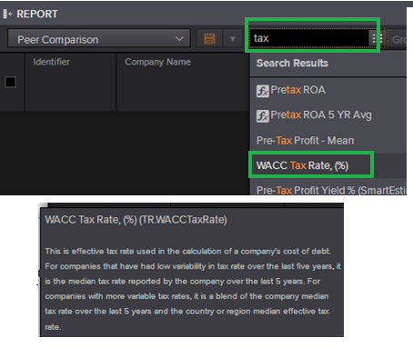
 |  |  |  |  |  | we | weight of equity

Screener

